3.B) Financial offer
SECTION A - Fixed prices - Services | Quarterly fee | Annual fee | Estimated percentage of total contract value
Overall contract management |  | 0.00 | 10%
Content management |  | 0.00 | 15%
Web services: Main hosting, maintenance and development services |  | 0.00 | 25%
Intranet services: Main graphical and functional design and development services |  | 0.00 | 10%
E-marketing fee: Hosting, maintenance and development services |  | 0.00 | 10%
Ancilliary services and additional tasks (price to be built up based on daily rates) |  | 0.00 | 30%
Price for the financial evaluation |  | 0 | 100%

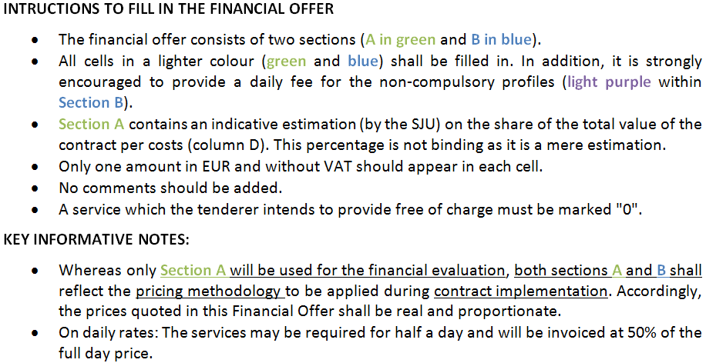

SECTION B - Daily rates - Profiles required | Fee person/day
Project leader/co-ordinator/account manager (*) - Compulsory profile
Content manager (**) - Compulsory profile
Web developer (**) - Compulsory profile
Multimedia developer (**) - Compulsory profile
Integrator
Functional analyst
Technical analyst
Information architect
Graphic designer
Web designer
Social media expert
Mobile applications expert
SEO expert
Data protection expert

(*) minimum experience required: 10 years in the field (5 of which in the role concerned)
(**) minimum experience required: 5 years in the field (2 of which in the role concerned)

